molecule 0
HHPHHHPH

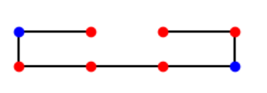
depth
stab | amount
0 | 154
-1 | 91
-2 | 21
-3 | 6

 | 0.022058823529

